Sheet1
Object_name | Test case Numbr | Scenario | Test case description | Expected_result | Actual_result | Tested By | Pass/Failed | Image
Ingestion_manager | 1 | Valid Claims File | Verify that a valid claims CSV file passes file validation and is moved to the validated_files location | Valid claims file should pass validation and be moved from the ingestion folder to the validated_files folder | Claims file passed validation and was moved to the validated files folder | Tanuj Zope | Pass | 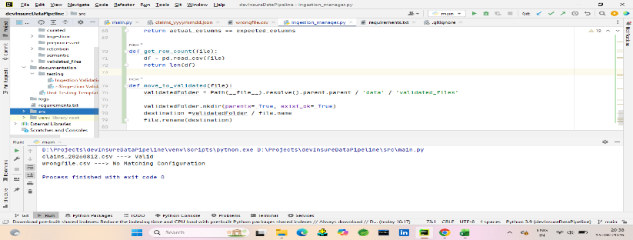
 | 2 | Wrong/ Unrecognised files | Verify that an unrecognized file without a matching configuration is not processed | File should be rejected and remain in the injection folder | Wrong file was identified as having no matching configuration and remained in the ingestion folder. | Tanuj Zope | Pass | 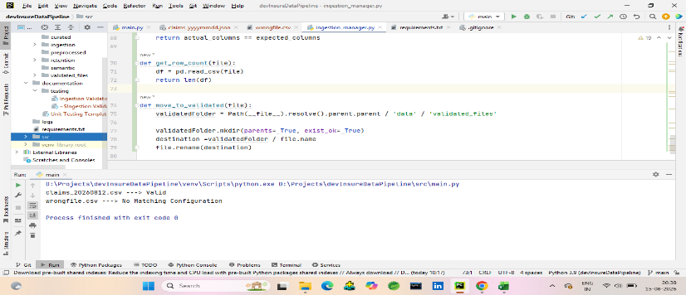
 | 3 | Invalid date in filoename | varify that the file containing invalid date in YYYYMMDD format is rejected | File should be rejected and remain in the injection folder | File failed date validation and remains in the ingestion folder | Tanuj Zope | Pass | 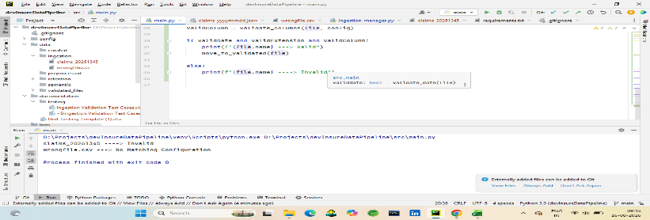
 | 4 | Invalid File Extension | Varify that a file with an extension different from the configured extension is rejected | File Should fail extension validation and remains in the ingestion folder | File failed extension validation and remained in the ingestion folder | Tanuj Zope | Pass | 
 | 5 | Empty/ Unreadable CSV file | Verify that an empty or unreadable CSV file is rejected without terminating the pipeline | File should be rejected and remain in the ingestion folder without causing a program crash | Empty CSV file was handled without program termination, identified as invalid, and remained in the ingestion folder. | Tanuj Zope | Pass | 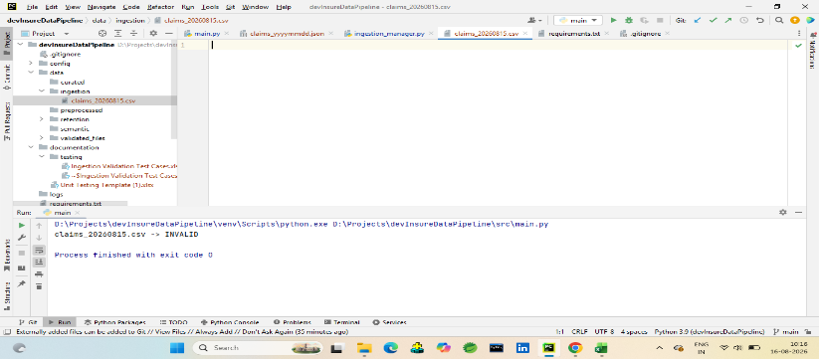
 | 6 | Invalid Columns | Verify that a claims file with columns different from the configured columns is rejected | File should fail column validation and remain in the ingestion folder | File failed column validation because the actual columns did not match the configured columns and remained in the ingestion folder. | Tanuj Zope | Pass | 
Preprocessing_engine | 7 | valid CSV to Parquet conversion | Verify that a validated CSV file is successfully converted into a Parquet file and stored in the preprocessed folder | Validated CSV should be converted to Parquet and stored in data/preprocessed/ | Validated CSV file was successfully converted to Parquet and stored in the preprocessed folder. | Tanuj Zope | Pass | 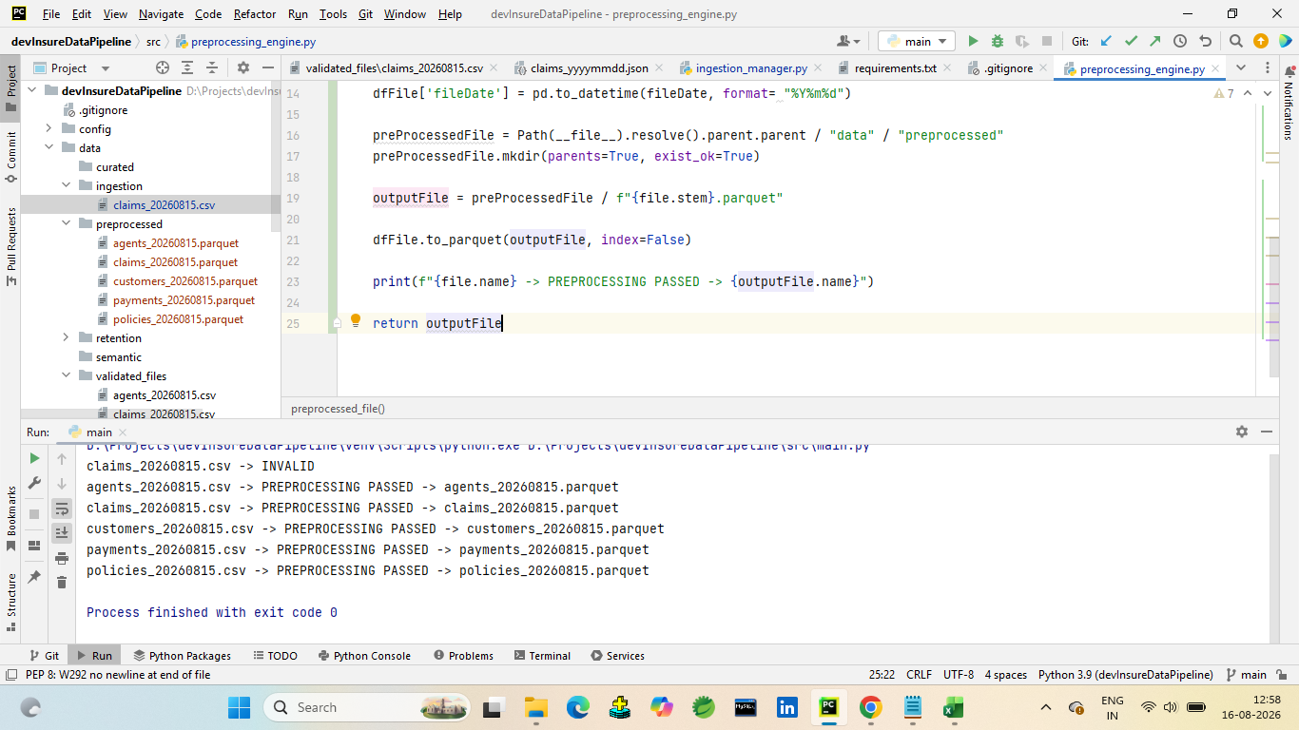
 | 8 | Duplicate row removal | Verify that duplicate rows are removed from the validated CSV during preprocessing. | Duplicate rows should removed and only unique rows should remain | Duplicate Rows removed Successfully, only unique rows remains | Tanuj Zope | Pass | 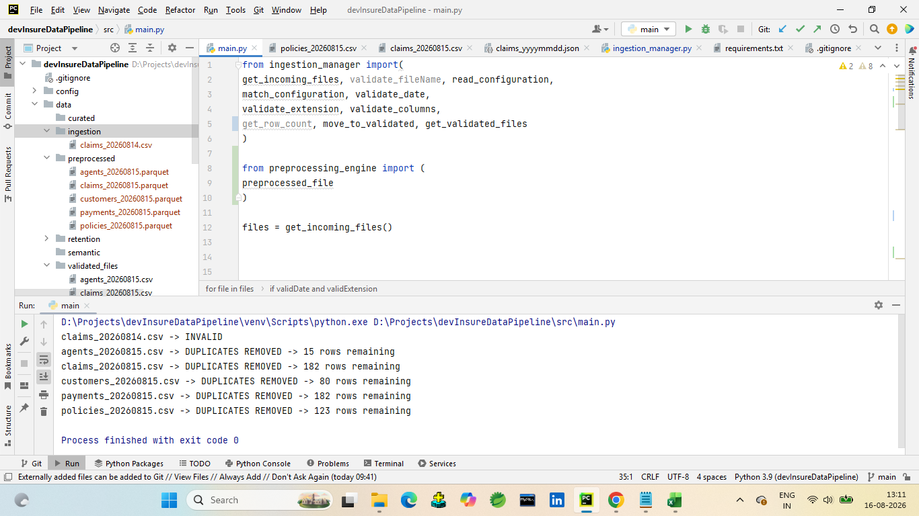
 | 9 | Ingestion date addition | Verify that the current system date and time is added to the ingestion_date column during preprocessing. | The processed data should contain an ingestion_date column with the current processing date and time. | ingestion_date column was successfully added with the current processing timestamp. | Tanuj Zope | Pass | 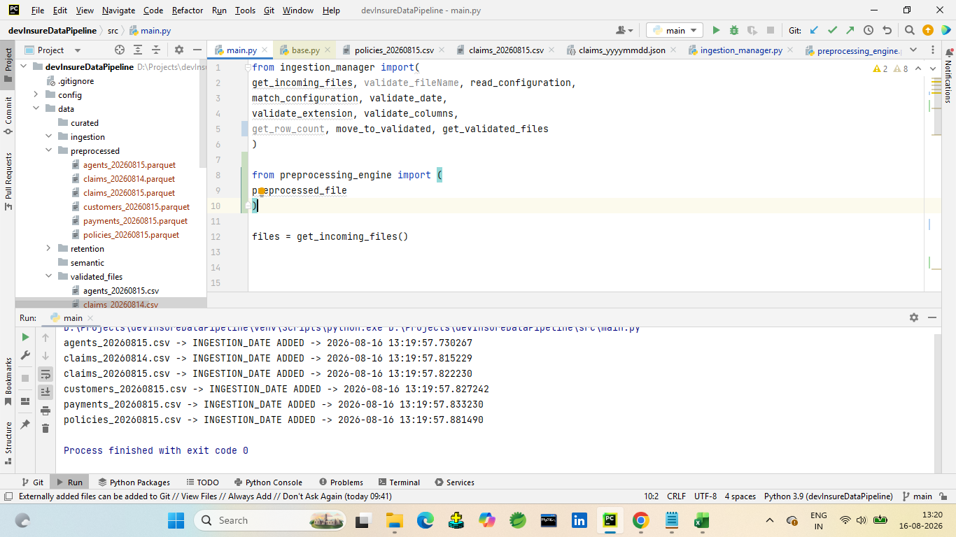
 | 10 | File date extraction | Verify that the date from the validated filename is correctly extracted and added to the file_date column. | The YYYYMMDD date from the filename should be converted to a valid date and added to file_date. | File date 20260815 was successfully converted to 2026-08-15 and added to file_date. | Tanuj Zope | Pass | 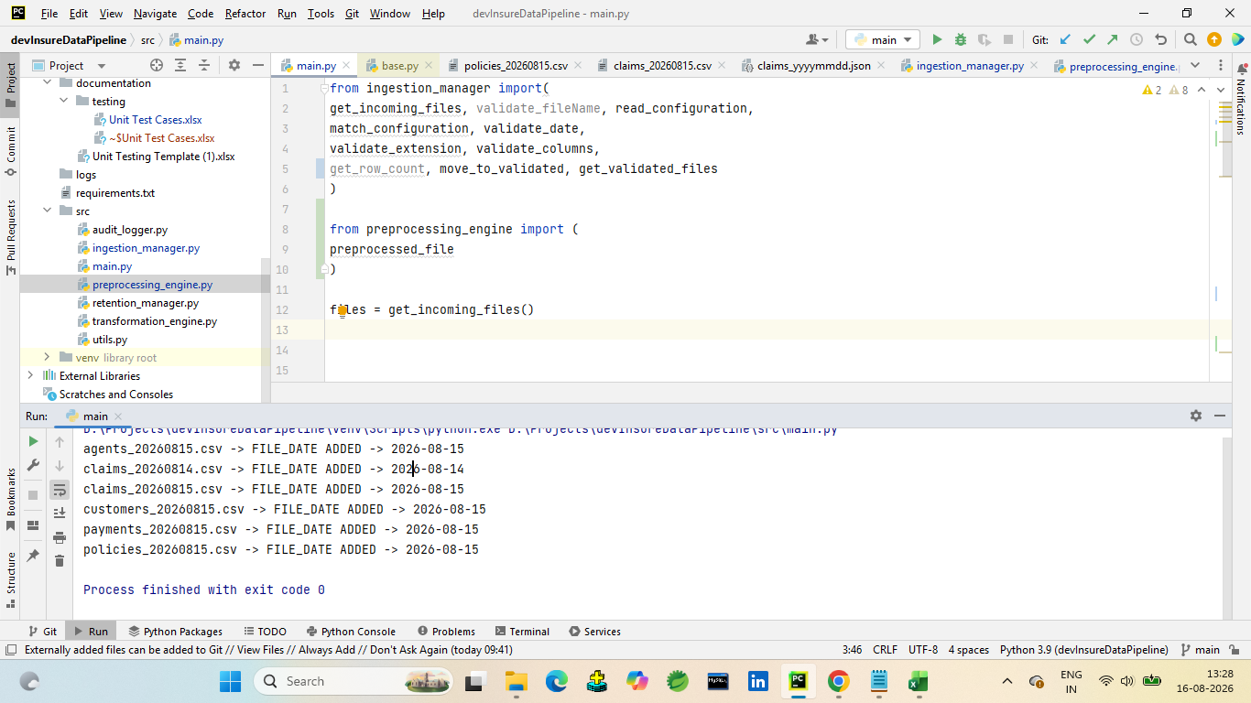
 | 11 | Multiple Validated Files Processing | varify that all files available in the validated_files folder are processed individually and converted to parquet | All validated CSV files should be processed successfully and corresponding parquet files should be created in the preprocessed folder | All validated files were processed successfully and correspondiong parquet files were created | Tanuj Zope | Pass | 